IGT
CONFIGURATION CHECK LIST |  |  |  |  |  |  | Seq No.
IGT - G23
Location |  |  |  |  |  |  | Date Printed
Machine Number |  |  |  |  |  |  | Time Printed
Game Denom |  |  |  |  |  |  | Rtp Min
Game Description |  |  |  |  |  |  | Rtp Variation
Progressive Name |  |  |  |  | Prog Link |  | Max Bet
Game Attract Setup |  |  |  |  |  | Bill Validator Setup
Enable game-specific attracts |  |  |  |  |  | Physical bill validator device enabled
Minutes to wait before entering attract mode
 |  |  |  |  |  | Bill validator accept bills
Minutes to wait between displaying attracts |  |  |  |  |  | Soft tilt if this many consecutive items are rejected by bill validator

Days to display new game attract |  |  |  |  |  | Stacker full tilt type
Theme-specific attract options |  |  |  |  |  | stacker almost full tilt type
Game Selection Attract Setup |  |  |  |  |  | Stacker open tilt type
Game selection attract behavior |  |  |  |  |  | Bill jam tilt type
Idle time before starting game selection attract (seconds) |  |  |  |  |  | Bill validator program changed tilt type

Idle time before ending starting game selection attract (seconds) |  |  |  |  |  | Stacker timeout tilt type
 |  |  |  |  |  | Unexpected Item Stacked tilt type
More Games Attract Setup
More games advertisement banner monitor/mode |  |  |  |  |  | SYSTEM SETTING Bill validator accept bills

Display more games advertisement after money in |  |  |  |  |  | Bills Accepted Setup
 |  |  |  |  |  | UNITED STATES bills accepted(NATIVE CURRENCY) |  | 6
Coin Devices Setup
SAS Accounting denomination
Enforce SAS limit on Denominations available to player |  |  |  |  |  | Extensible funds transfer Setup
 |  |  |  |  |  | Extensible funds transfer enabled
Denominations available to player
Default player denomination |  |  |  |  |  | Maximum amount of individual transfers
Hard meter denomination
Coin acceptor enabled |  |  |  |  |  | Cash in Limits Setup
Coin 1 denomation |  |  |  |  |  | Machine's credit limit
Diverter behavior |  |  |  |  |  | CASH IN LIMIT for coins and bills
Allow handpay of cashout amount less than hopper's denomination (allows hopper's denomination to exceed game denominations) |  |  |  |  |  | Non cash in limit
 |  |  |  |  |  | Cash in limit for other decices (e.g.AFT.vouchers) limiled by |  | Machines Credit Limit
Force customers to play off credits below the hopper's denomination
 |  |  |  |  |  | Tranfer to ticket limit (0 to use CASH in LIMIT for other devices)
Hopper's denomination
Ticket printer Setup
Paper low tilt type
Door (S) which automatically print a report

Print report if configured door(S) opened while power off

Print report on meter clears
Prompt player to remove cash out tickets after this many milliseconds

Play/Win limits setup |  |  |  |  |  | Monetary Type Setup
machine monetary bet limit (excluding double-up) |  |  |  |  |  | Native monetary type
 |  |  |  |  |  | ASCII font whole currency symbol index(default recommended)
Force celebration win lockup at or above this amount (0 to disable)
 |  |  |  |  |  | ASCII font base currency symbol index(default recommended)
Force handpay win at or above this amount (0 to disable)
 |  |  |  |  |  | Unicode font whole currency symbol(default recommended)
Enable attendant controlled reset to credits (W2G)
 |  |  |  |  |  | Unicode font base currency symbol(default recommended)
Maximum handpay that may be reset to credits (w2G limit)
 |  |  |  |  |  | Bill validator country code(default recommended, 255 to ignore)
Maximum mid game bets against, guaranteed wins (0 to disable)
 |  |  |  |  |  | Non-native monetary types enabled
Mid game bets count toward max bet per game |  |  |  |  |  | Separate whole and decimal parts of numeric value with this symbol

Cash out Limits Setup |  |  |  |  |  | Separate monetary value into groups with this symbol
Hopper enabled
Maximum hopper payout (Without cash out vouchers) |  |  |  |  |  | Display non-monetary value the same as monetary values

Maximum hopper payout (With cash out vouchers) |  |  |  |  |  | Default behavior for Credit meter display

If printing a cash out voucher, pay this much from hopper first |  |  |  |  |  | Certificate Management
 |  |  |  |  |  | Enable Certificate Protocols
Pay coin portion of handpays from hopper |  |  |  |  |  | Key Size
 |  |  |  |  |  | Generate CSR
Maximum handpay that can be cancelled (0 to disable) |  |  |  |  |  | Read New Certificate
 |  |  |  |  |  | SCEP Settings
Cancellable handpay timeout in seconds (0 to never timeout) |  |  |  |  |  | OCSP Settings
 |  |  |  |  |  | Remove Certificates
Maximum hand pay display to player |  |  |  |  |  | View Certificate Information
 |  |  |  |  |  | Network Setup
Maximum cash out voucher amount (0 for no limit) |  |  |  |  |  | Auto Detect Network Settings
 |  |  |  |  |  | Machine IP Address
 |  |  |  |  |  | Default gateway
Protocol Setup |  |  |  |  |  | Network
 |  |  |  |  |  | Broadcast address
PROTOCOL NAME | PORT | ADDRESS |  |  |  | Name Server (DNS) 1
 |  |  |  |  |  | Name Server (DNS) 2
SerialSAS 1 | #N/A | #N/A | Advanced | Port 1 | Address 1
SerialSAS 2 | #N/A | #N/A | Advanced | Port 2 | Address 2
SerialSAS 3 | #N/A | #N/A | Advanced | Port 3 | Address 3
SerialWAP7 [WAMM] 4 | #N/A | #N/A | Advanced | Port 4 | Address 4

SerialIPP [WAMM] 5 | #N/A | #N/A | Advanced | Port 5 | Address 5

SerialType25B 6 | #N/A | #N/A | Advanced | Port 6 | Address 6

G2STransportG2S 7 |  |  | Advanced

SerialSAS 1 Advanced Options |  |  |  |  |  | Advanced SAS Voucher In/Out Options
Protocol enabled |  |  |  |  |  | Validation style
Comm board type |  |  |  |  |  | Accept vouchers
Minimun response time in milliseconds |  |  |  |  |  | Reject vouchers worth less than one credit

Minimun response time in milliseconds (0 for none) |  |  |  |  |  | Print Vouchers
 |  |  |  |  |  | Print Vouchers for restriced promotional amounts
Shutdown and enable control allowed
Individual game enable change allowed |  |  |  |  |  | Print vouchers for foreign restricted amounts

Megajackpot game disable allowed |  |  |  |  |  | Validate handpays
Secure handpay enable |  |  |  |  |  | Print validation receipts
Exception filter (exception removed) |  |  |  |  |  | SYSTEM SETTING:Accept vouchers
 |  |  |  |  |  | Use SYSTEM SETTING: Print vouchers
Host sound setup enabled
ROM signature includes packages on writeable media |  |  |  |  |  | SYSTEM SETTING:Print vouchers for restricted promotional amounts

Enable inter-bye timeout |  |  |  |  |  | SYSTEM SETTING:Print vouchers for foreign restricted amounts
Seconds before disabling machine if link to host down (0 to skip disable)
 |  |  |  |  |  | System SETTING : Validate handpays
Seconds before disabling machine if link to host inactive (0 to skip disable)
 |  |  |  |  |  | System SETTING : print validation receipts
Disable machine if security buffer full
Wait for host to enable machine after system start |  |  |  |  |  | USE SYSTEM SETTING accept vouchers

Disable machine if nack count reaches (0 = never ) |  |  |  |  |  | USE SYSTEM SETTING print vouchers

Assert DTR |  |  |  |  |  | USE SYSTEM SETTING: Print vouchers for restricted promotional amounts
Assert RTS
Use entire message when checking for duplicate |  |  |  |  |  | USE SYSTEM SETTING: Print vouchers for foreign restricted amounts

Block response for duplicate meter polls |  |  |  |  |  | USE SYSTEM SETTING: Validate handpays

Cash out behavior while terminal disabled(machine wide setting) |  |  |  |  |  | USE SYSTEM SETTING: Print validation receipts

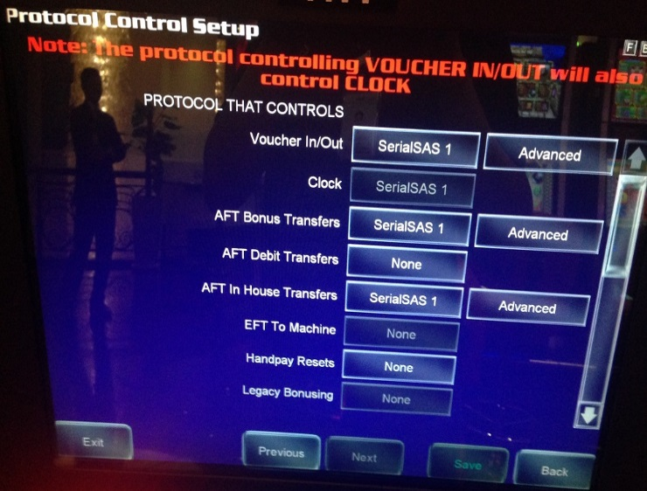
Protocol Control Setup |  |  |  |  |  | Advanced AFT Bonus Transfer Options
 |  |  |  |  |  | AFT enabled (machine wide setting)
 |  |  |  |  |  | Gaming machine's asset # (machine wide setting)

 |  |  |  |  |  | External bonus win limit (0 to ignore)

 |  |  |  |  |  | Auto lock for transfers to the machine(machine wide setting)

Advanced AFT In-House Transfer Options |  |  |  |  |  | General Option
AFT enabled(machine wide setting) |  |  |  |  |  | Minimum time (in milliseconds) to spin reels, draw cards, or draw balls (0-Disable)

Okay to transfer to ticket(machine wide setting) |  |  |  |  |  | Shown on progressive display when amount does no fit

Okay to print transfer to receipts (machine wide setting) |  |  |  |  |  | Text used to advertise propgessive

partial transfers enabled (machine wide setting) |  |  |  |  |  | Cashout celebration animation enabled

Gaming machine's asset # (machine wide setting) |  |  |  |  |  | Game should use main menu's digital glass (when supported)

Auto lock for transfers to the machine (machine wide setting) |  |  |  |  |  | Digital Glass Language
 |  |  |  |  |  | Display game payback peroentages
Ticket Information Setup
Location : |  |  |  |  |  | Minimum game payback percentage allowed
Address line 1
Address line 2 |  |  |  |  |  | Who can start auto play
Restricted ticket title |  |  |  |  |  | Allow double up
Debit ticket title |  |  |  |  |  | Double up limit (all games)
Game Setup |  |  |  |  |  | Double up max cycles (all games)
Game Name1 | Max Bet | Denom | RTP% |  |  | Package Information
 |  |  |  |  |  | Packages on Machine1
 |  |  |  |  |  | Packages on Machine2
 |  |  |  |  |  | Packages on Machine3
 |  |  |  |  |  | Packages on Machine4
Game Name2 | Max Bet | Denom | RTP% |  |  | Packages on Machine5
 |  |  |  |  |  | Tournament Setup
 |  |  |  |  |  | Tournament Game
 |  |  |  |  |  | Mode
 |  |  |  |  |  | Hours
Game Name3 | Max Bet | Denom | RTP% |  |  | Minutes
 |  |  |  |  |  | Seconds
 |  |  |  |  |  | Credits
 |  |  |  |  |  | Ekey required to change options

Game Name4 | Max Bet | Denom | RTP% |  |  | Tournament Game Language Setup
 |  |  |  |  |  | Game Language
 |  |  |  |  |  | Bell Options
 |  |  |  |  |  | Enable bell on main door
 |  |  |  |  |  | Enable bell on drop door
Easy bet |  | Game 1: |  |  |  | Enable bell on bill validator door
 |  | Game 2: |  |  |  | Enable bell on processor board door
 |  | Game 3:
 |  | Game 4: |  |  |  | Enable bell on front door
Static paytable |  |  |  |  |  | Enable bell on top box door
Game1: | #N/A | Game3: |  |  |  | Enable bell on security door
Game2: | #N/A | Game4: |  |  |  | Enable bell on card cage door
Default theme |  |  |  |  |  | Enable bell on bill stacker box door
Backround color
Speed |  |  |  |  |  | stop bell on door closes
Language |  |  |  |  |  | Bell alarm style
Megajackpot |  |  |  |  |  | Enable bell on handpays
 |  |  |  |  |  | Machine Volume Setup
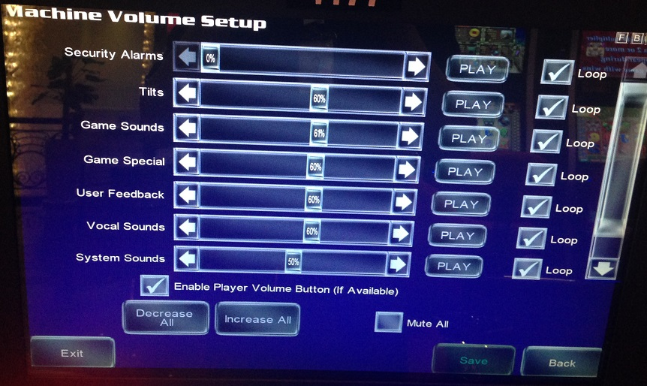
Button Panel Setup
Button 10 behavior
Button 16 behavior
Cabinet Identification Setup
Serial Number
What to report when serial number is too long

ASSET #
Floor location
Model
Zone ID
Machine ID |  |  |  |  |  | Main Menu Setup
Cabinet Lighting Setup |  |  |  |  |  | Main Menu Styles
Allow game to control cabinet lights |  |  |  |  |  | Enable main menu style
 |  |  |  |  |  | Advance options
Cabinet lights default color mode |  |  |  |  |  | Menu version
 |  |  |  |  |  | Digital glass graphic
Candle Setup |  |  |  |  |  | Media Display Global Options
Number of candle stages |  |  |  |  |  | Size of content cache in megabytes
Game complete timeout(secs)
 |  |  |  |  |  | Local port for media display interface
Use to Indicate player lockout active
 |  |  |  |  |  | Local port for websocket interface
Clock Setup
Add server(s) to enable |  | Time Zone Greenwich Mean Time (UTC) |  |  |  | Application handles service button

Stop NTP |  | Month | Set Automatically |  |  | Media Display Setup
 |  | Day | Set Automatically |  |  | Media Displays
 |  | Year | Set Automatically |  |  | Enable media display
 |  | Hours | Set Automatically |  |  | Media display size
√ Override NTP settings in DHCP optiond |  | Minutes | Set Automatically |  |  | Max memory in megabytes
 |  | Seconds | Set Automatically |  |  | Media display application
Player Identification Setup
Magnetic stripe card reader enabled

Accept player identification vouchers |  |  |  |  |  | Machine Configured by:
 |  |  |  |  |  | Technician
Player identification voucer system ID

Seconds before player identification vouchers is rejected without credits
 |  |  |  |  |  | Configuration Checked by:
 |  |  |  |  |  | Lead Tech or above
Player Lockout Setup
Text to display when player locked out

Enbale hardware player lockout |  |  |  |  |  | Configuration Verified by:
 |  |  |  |  |  | Slot Operations
Use candle to indicate player lockout active

IGT-FGJL
CONFIGURATION CHECK LIST |  |  |  |  |  |  | Seq No.
IGT - CRYSTAL CORE BASE
Location |  |  |  |  |  |  | Date Printed
Machine Number |  |  |  |  |  |  | Time Printed
Game Denom |  |  |  |  |  |  | Rtp Min
Game Description |  |  |  |  |  |  | Rtp Variation
Progressive Name |  |  |  |  | Prog Link |  | Max Bet
Attract Setup |  |  |  |  |  | Bill Validator Setup
Delay for entering attract mode (minutes) |  |  |  |  |  | Physical bill validator device enabled
Duration of Game Attract (minutes)
 |  |  |  |  |  | Bill validator accept bills
Duration of Game Selection Attract (minutes) |  |  |  |  |  | Soft tilt if this many consecutive items are rejected by bill validator

Game Selection Attract behavior |  |  |  |  |  | Stacker full tilt type
Coin Devices Setup |  |  |  |  |  | stacker almost full tilt type
Accounting denomination |  |  |  |  |  | Stacker open tilt type
Enforce SAS limit on Denominations available to player |  |  |  |  |  | Bill jam tilt type
 |  |  |  |  |  | Bill validator program changed tilt type
Denominations available to player
Default player denomination |  |  |  |  |  | Stacker timeout tilt type
Ticket printer Setup |  |  |  |  |  | Unexpected Item Stacked tilt type
Paper low tilt type |  |  |  |  |  | SYSTEM SETTING Bill validator accept bills
Play/Win limits setup
Machine wide maximum bet per game (excluding double-up) |  |  |  |  |  | Bills Accepted Setup
 |  |  |  |  |  | UNITED STATES bills accepted(NATIVE CURRENCY)
Force celebration win lockup at or above this amount (0 to disable)

Force handpay wins at or above this amount (0 to disable) |  |  |  |  |  | Extensible funds transfer Setup
 |  |  |  |  |  | Extensible funds transfer enabled
Enable attendant controlled reset to credits (W2G) |  |  |  |  |  | Maximum amount of individual transfers

Maximum handpay that may be reset to credits (w2G limit) |  |  |  |  |  | Cash in Limits Setup
 |  |  |  |  |  | Machine's credit limit
Maximum mid game bets against, guaranteed wins (0 to disable) |  |  |  |  |  | CASH IN LIMIT for bills
 |  |  |  |  |  | Non cash in limit
Mid game bets count toward max bet per game |  |  |  |  |  | Cash in limit for other devices (e.g.AFT.vouchers) limiled by

Cash out Limits Setup |  |  |  |  |  | Tranfer to ticket limit (0 to use CASH in LIMIT for other devices)
Maximum handpay that can be cancelled (0 to disable)

Cancellable handpay timeout in seconds (0 to never timeout)

Maximum hand pay display to player

Maximum cash out voucher amount (0 for no limit)

Protocol Setup |  |  |  |  |  | Monetary Type Setup
PROTOCOL NAME | PORT | ADDRESS |  |  |  | Native monetary type
 |  |  |  |  |  | ASCII font whole currency symbol index(default recommended)
SerialSAS 1 |  |  | Advanced
SerialSAS 2 |  |  | Advanced |  |  | ASCII font base currency symbol index(default recommended)
SerialSAS 3 |  |  | Advanced
SerialIPP [WAMM] 4 |  |  | Advanced |  |  | Unicode font whole currency symbol(default recommended)

G2STransportG2S 7 |  |  | Advanced |  |  | Unicode font base currency symbol(default recommended)
SerialIPP 4 Advanced Options
Protocol Enabled |  |  |  |  |  | Non-native monetary types enabled
Comm Board type |  |  |  |  |  | Separate whole and decimal parts of numeric value with this symbol
DTR line Driver
RTS line driver |  |  |  |  |  | Separate monetary value into groups with this symbol
SerialSAS 1 Advanced Options
Protocol enabled |  |  |  |  |  | Display non-monetary value the same as monetary values
Comm board type
Shutdown and enable control allowed |  |  |  |  |  | Default Credit meter display
Individual game enable change allowed |  |  |  |  |  | Certificate Management
 |  |  |  |  |  | Key Size
Secure handpay enable |  |  |  |  |  | SCEP Settings
Exception filter (exception removed) |  |  |  |  |  | OCSP Settings
 |  |  |  |  |  | Enroll For Certificates
Host sound setup enabled |  |  |  |  |  | View Certificate Information
ROM signature includes packages on writeable media |  |  |  |  |  | Network Setup
 |  |  |  |  |  | Auto Detect Network Settings
Seconds before disabling machine if link to host down (0 to skip disable) |  |  |  |  |  | Machine IP Address
 |  |  |  |  |  | Default gateway
Seconds before disabling machine if link to host inactive (0 to skip disable) |  |  |  |  |  | Network
 |  |  |  |  |  | Broadcast address
Disable machine if security buffer full |  |  |  |  |  | Name Server (DNS) 1
Wait for host to enable machine after system start |  |  |  |  |  | Name Server (DNS) 2
 |  |  |  |  |  | Advanced AFT In-House Transfer Options
Disable machine if nack count reaches (0 = never ) |  |  |  |  |  | AFT enabled(machine wide setting)
 |  |  |  |  |  | Okay to transfer to ticket(machine wide setting)
DTR line driver
RTS line driver |  |  |  |  |  | Okay to print transfer to receipts (machine wide setting)
Use entire message when checking for duplicate
 |  |  |  |  |  | partial transfers enabled (machine wide setting)
Cash out behavior while terminal disabled(machine wide setting)
 |  |  |  |  |  | Gaming machine's asset # (machine wide setting)

 |  |  |  | Port 1 | Address 1
 |  |  |  | Port 2 | Address 2
 |  |  |  | Port 3 | Address 3
 |  |  |  | Port 4 | Address 4

 |  |  |  | Port 5 | Address 5

 |  |  |  | Port 6 | Address 6

Protocol Control Setup |  |  |  |  |  | Advanced SAS Voucher In/Out Options
PROTOCOL THAT CONTROLS |  |  |  |  |  | Validation style |  | #N/A
Voucher In/out |  | SerialSAS1 | #N/A |  |  | Accept vouchers |  | #N/A
Clock |  | SerialSAS1 |  |  |  | Reject vouchers worth less than one credit |  | #N/A
AFT Bonus Transfers |  | SerialSAS1 | #N/A
AFT Debit Transfers |  | None |  |  |  | Print Vouchers |  | #N/A
AFT in House Transfers |  | SerialSAS1 | #N/A |  |  | Print Vouchers for restriced promotional amounts |  | #N/A
EFT to Machine |  |  | #N/A
Handpay Resets |  |  | #N/A |  |  | Print vouchers for foreign restricted amounts |  | #N/A
Legacy Bonusing |  |  | #N/A
Progressive |  |  | #N/A |  |  | Validate handpays |  | #N/A
Megajackpots |  |  | #N/A |  |  | Print validation receipts |  | #N/A
Legacy Meter Change |  |  | #N/A |  |  | SYSTEM SETTING:Accept vouchers |  | #N/A
Autoplay |  |  | #N/A |  |  | SYSTEM SETTING: Print vouchers |  | #N/A
Remote Configuration |  |  | #N/A
Download |  |  | #N/A |  |  | SYSTEM SETTING:Print vouchers for restricted promotional amounts |  | #N/A
Bill Validator Setup |  |  | #N/A
Exchange Rate |  |  | #N/A |  |  | SYSTEM SETTING:Print vouchers for foreign restricted amounts |  | #N/A
Printer |  |  | #N/A
G2S Wagering Account Transfers |  |  | #N/A |  |  | System SETTING : Validate handpays |  | #N/A
G2S Bonusing |  |  | #N/A
Ticket Information Setup |  |  |  |  |  | System SETTING : print validation receipts |  | #N/A
Operator's override of your establishment field |  |  | #N/A
 |  |  |  |  |  | USE SYSTEM SETTING accept vouchers |  | #N/A
Operator's override of your location field |  |  | #N/A
 |  |  |  |  |  | USE SYSTEM SETTING print vouchers |  | #N/A
Operator's override of your city, state ZIP field |  |  | #N/A
 |  |  |  |  |  | USE SYSTEM SETTING: Print vouchers for restricted promotional amounts |  | #N/A
Operator's Override of playable only field |  |  | #N/A
 |  |  |  |  |  | USE SYSTEM SETTING: Print vouchers for foreign restricted amounts |  | #N/A
Operator's Override of Debit Ticket field |  |  | #N/A
 |  |  |  |  |  | USE SYSTEM SETTING: Validate handpays |  | #N/A
Game Setup
Game Name1 | Max Bet | Denom | RTP% |  |  | USE SYSTEM SETTING: Print validation receipts |  | #N/A
#N/A | #N/A | #N/A | #N/A
 |  | #N/A | #N/A |  |  | Print non-validated handpay receipts |  | #N/A
 |  | #N/A | #N/A
 |  | #N/A | #N/A |  |  | Advanced AFT Bonus Transfer Options
Language |  |  | #N/A |  |  | AFT enabled (machine wide setting) |  | #N/A
Default Theme |  |  | #N/A |  |  | Gaming machine's asset # (machine wide setting) |  | #N/A
Megajackpot ID |  |  | #N/A
Display as new (days) |  |  | #N/A |  |  | External bonus win limit (0 to ignore) |  | #N/A

Cabinet Identification Setup |  |  |  |  |  | General Options
Serial Number |  |  | #N/A |  |  | Minimum time (in milliseconds) to spin reels, draw cards, or draw balls (0-Disable) |  | #N/A
What to report when serial number is too long |  |  | #N/A
 |  |  |  |  |  | What to disp[lay on spectrum when amount does not fit |  | #N/A
ASSET # |  |  | #N/A
Floor location |  |  | #N/A |  |  | Cashout celebration animation enabled |  | #N/A
Model |  |  | #N/A
Zone ID |  |  | #N/A |  |  | Minimum payback percentage allowed for all games |  | #N/A
Machine ID |  |  | #N/A
Area ID |  |  | #N/A |  |  | Who can start auto play |  | #N/A
Bank ID |  |  | #N/A |  |  | Allow double up in this jurisdiction |  | #N/A
Cabinet Lighting Setup |  |  |  |  |  | Double up limit (all games) |  | #N/A
Allow Games/SyncSation to access cabinet lighting |  |  | #N/A |  |  | Double up max cycles (all games) |  | #N/A
 |  |  |  |  |  | Allow round wager up in this jurisdiction |  | #N/A
Cabinet lighting default color |  |  | #N/A |  |  | Non- cashable credits display |  | #N/A
Candle Setup |  |  |  |  |  | Package Requirements Information
Number of candle stages |  |  | #N/A |  |  | Packages on Machine |  | #N/A
Game complete timeout(secs) |  |  | #N/A |  |  | Bell Options
 |  |  |  |  |  | stop bell on door closes |  | #N/A
Use to Indicate player lockout active |  |  | #N/A |  |  | Bell alarm style |  | #N/A
 |  |  |  |  |  | Enable bell on handpays |  | #N/A
Player Identification Setup |  |  |  |  |  | Enable bell on main door |  | #N/A
Magnetic stripe card reader enabled |  |  | #N/A |  |  | Enable bell on drop door |  | #N/A
 |  |  |  |  |  | Enable bell on bill validator door |  | #N/A
Accept player identification vouchers |  |  | #N/A |  |  | Enable bell on front door |  | #N/A
 |  |  |  |  |  | Enable bell on top box door |  | #N/A
Player identification voucer system ID (must match host value) |  |  | #N/A |  |  | Enable bell on security door |  | #N/A
 |  |  |  |  |  | Enable bell on card cage door |  | #N/A
Seconds before player identification vouchers is rejected without credits |  |  |  |  |  | Machine Volume Setup
 |  |  | #N/A

Player Lockout Setup
Text to display when player locked out |  |  | #N/A
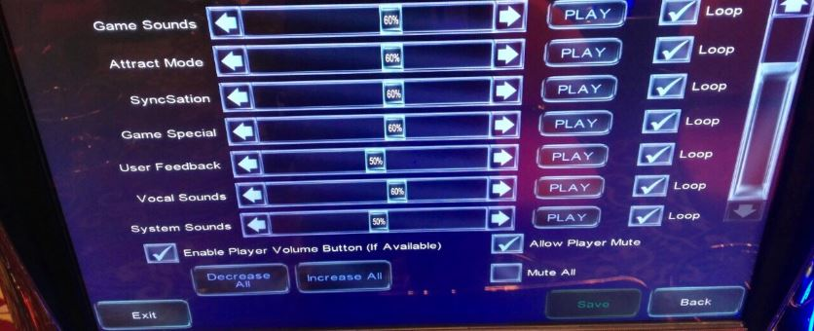
Enbale hardware player lockout |  |  | #N/A

Use candle to indicate player lockout active |  |  | #N/A

Hard Meter Setup
Hard Meters are required and attached: |  |  | #N/A

Hard meter denomintaion |  |  | #N/A
Clock Setup |  |  |  |  |  | Media Display Global Options
Override NTP settings in DHCP options |  |  | #N/A |  |  | Size of content cache in megabytes |  | #N/A
Time Zone |  |  | #N/A |  |  | Local port for media display interface |  | #N/A
Month |  |  | #N/A
Day |  |  | #N/A |  |  | Application handles service button |  | #N/A
Year |  |  | #N/A |  |  | Flash plug-in version |  | #N/A
Hours |  |  | #N/A
Minutes |  |  | #N/A
Seconds |  |  | #N/A

SyncSation Setup |  |  |  |  |  | Media Display Setup
Test Connectivity |  |  | #N/A |  |  | Media Displays |  | #N/A
Compare "attract style" setting |  |  | #N/A |  |  | Enable media display |  | #N/A
Compare "Sound attract interval" setting |  |  | #N/A |  |  | Media display size |  | #N/A
Compare "Total position in bank" setting |  |  | #N/A |  |  | Max memory in megabytes |  | #N/A
Compare "This position in bank" setting |  |  | #N/A |  |  | Max memory in megabytes on PLAYER BANNER |  | #N/A
Synchronization enabled |  |  | #N/A
Attract Style |  |  | #N/A |  |  | Media display application |  | #N/A
Soundattract interval |  |  | #N/A |  |  | Progressive Setup
Total positions in bank |  |  | #N/A |  |  | Display Mode |  | #N/A
This position in bank |  |  | #N/A |  |  | Select Game |  | #N/A
Synchronization port number |  |  | #N/A |  |  | Select Machine Denom |  | #N/A
SynSation Host Setup |  |  |  |  |  | Progressive Options
SyncSation host configuration |  |  | #N/A |  |  | Progressive Win Rounding |  | #N/A
Automatic SyncSation host URL (DHCP Opt.232) |  |  | #N/A |  |  | Combine progressive prizes with no amount and pay table win hand pays
 |  |  |  |  |  |  |  | #N/A
Manual SyncSation host URL |  |  | #N/A
#N/A |  |  |  |  |  | Stand-alone Progressive Setup
Sign IP Address |  |  | #N/A |  |  | Level 1 Current Amount |  | #N/A
 |  |  |  |  |  | Range |  | #N/A
 |  |  |  |  |  | Contribution |  | #N/A
 |  |  |  |  |  | Level 2 Current Amount |  | #N/A
 |  |  |  |  |  | Range |  | #N/A
 |  |  |  |  |  | Contribution |  | #N/A
 |  |  |  |  |  | Level 3 Current Amount |  | #N/A
 |  |  |  |  |  | Range |  | #N/A
 |  |  |  |  |  | Contribution |  | #N/A
 |  |  |  |  |  | Level 4 Current Amount |  | #N/A
 |  |  |  |  |  | Range |  | #N/A
 |  |  |  |  |  | Contribution |  | #N/A

 |  |  |  |  |  | Machine Configured by:
 |  |  |  |  |  | Technician

 |  |  |  |  |  | Configuration Checked by:
 |  |  |  |  |  | Lead Tech or above

 |  |  |  |  |  | Configuration Verified by:
 |  |  |  |  |  | Slot Operations

